Diagram C1
25 FT. LIGHT TRANSIT VEHICLE

DIAGRAM C-1

25' LTV – 2 Wheelchair/Mobility Aid Device Stations with
15 Permanent Seats and 1 Double Foldaway Bench* Seat

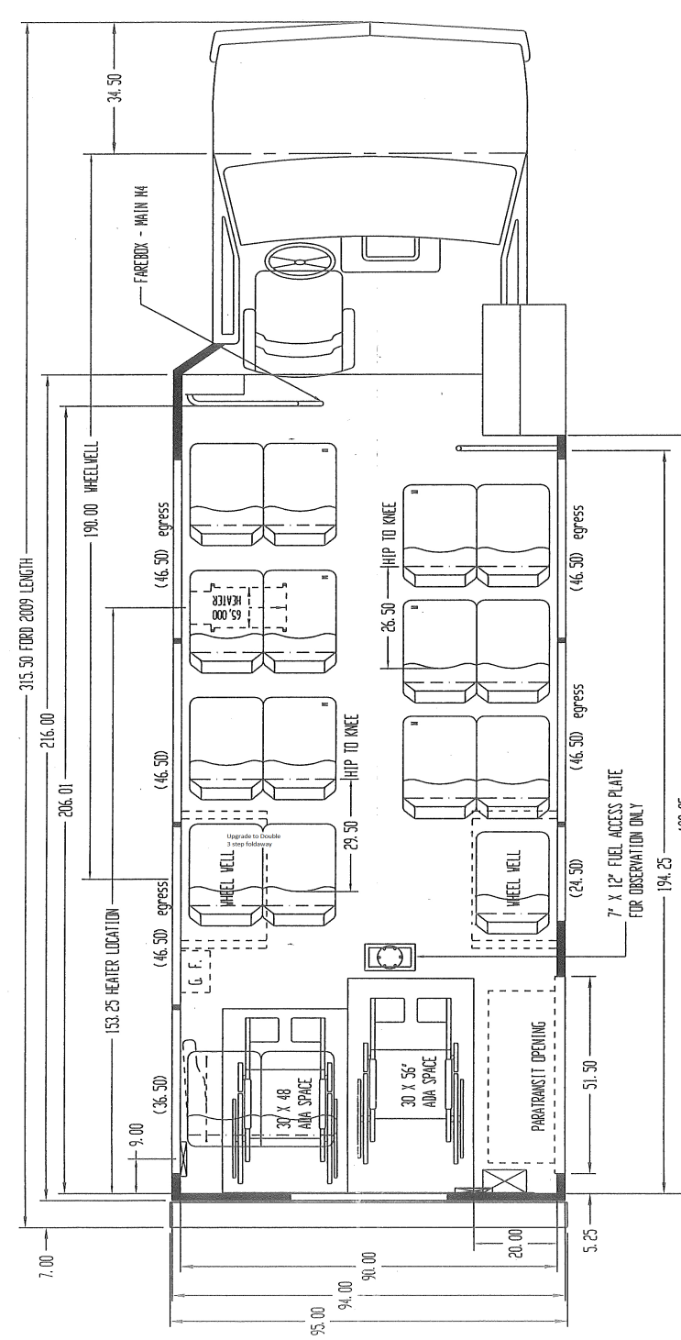

FOLDAWAY
BENCH SEAT

